Main


CAPSTONE PROJECT REPORT
Material Management
Unit Test

Cover
 | UNIT TEST DOCUMENT

Project Name | VinaTech Smart Manufacturing's order status management system |  |  | Creator | QuyNT
Project Code | VTOMS |  |  | Issue Date | 2026-04-18
Document Code |  |  |  | Version | 1.4

Record of change
Effective Date | Version | Change Item | *A,D,M | Change description | Reference
2026-04-19 | 1.1 | Update | A | Add Unit Test for Check Stock Overview | MMBE – Stock Overview
2026-04-20 | 1.2 | Update | A | Add Unit Test for Post Goods Issue | Vl02n – PGI
2026-04-21 | 1.3 | Update | A | Add Unit Test for Cancel Goods Issue | Vl09 – Reverse Goods Movement
2026-04-22 | 1.4 | Update | A | Add Unit Test for Post Goods Receipt

Check Stock Overview
Code Module | Login | Method | MM
Created By | QuyNT | Executed By | QuyNT
Test requirement
Passed | Failed | Untested | Total Test Cases
2 | 0 | 0 | 2

ID |  | Test Data |  | Step | Expected Result | Actual Result | Tester | Pass/Fail
MM001 | Access Screen | Material | 650 | 1. Login into SAP 2. Enter T-code: MMBE 3. Enter Material: 650 4. Enter Plant: VTHN (optional: enter SLoc FG01) 5. Press Execute (F8) | The system does not return any error and navigates to the Stock Overview screen showing stock levels. | 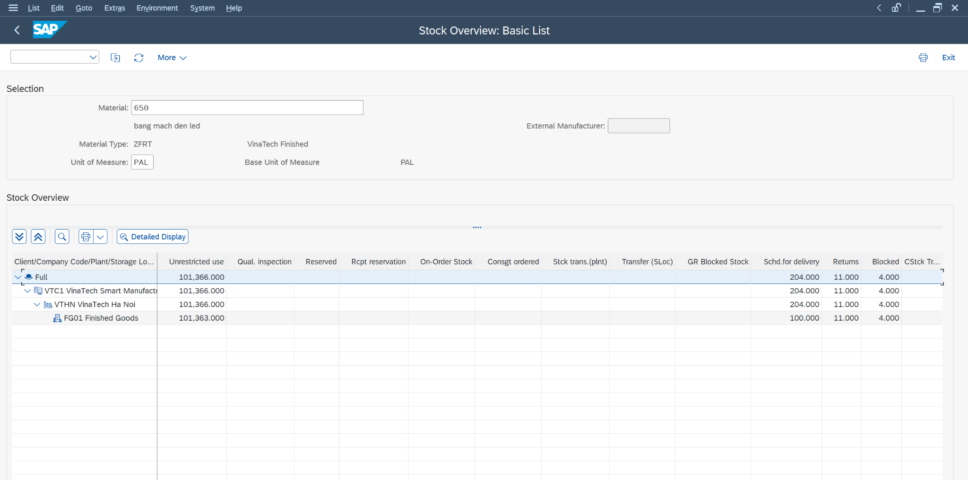 | QuyNT | Pass
 |  | Plant | VTHN
 |  | Storage Location | FG01

MM002 | Stock Overview | Unrestricted | [Qty after GR] | On the "Stock Overview" screen: 1. Expand Plant VTHN 2. Expand Storage Location FG01 3. Verify Unrestricted stock = expected qty 4. Confirm no stock in Quality Inspection or Blocked → Take screenshot of stock overview | The system displays correct stock quantity for 650: - Plant VTHN / SLoc FG01 - Unrestricted stock = [expected qty] - Stock available for the Sales Order delivery. | 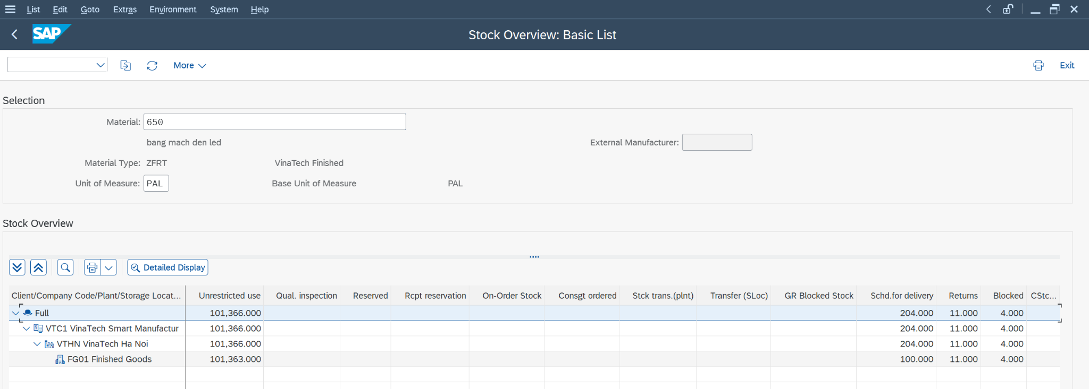 | QuyNT | Pass
 |  | Plant | VTHN
 |  | Storage Location | FG01
 |  | Total Stock | [Expected total]

Post Goods Issue
Code Module | Login | Method | MM
Created By | QuyNT | Executed By | QuyNT
Test requirement
Passed | Failed | Untested | Total Test Cases
3 | 1 | 0 | 4

ID |  | Test Data |  | Step | Expected Result | Actual Result | Tester | Pass/Fail
MM003 | Access Screen | Transaction | VL02N | 1. Login into SAP 2. Enter T-code: VL02N 3. Enter Outbound Delivery number 4. Press Enter | The system does not return any error and navigates to the "Change Outbound Delivery" screen. | 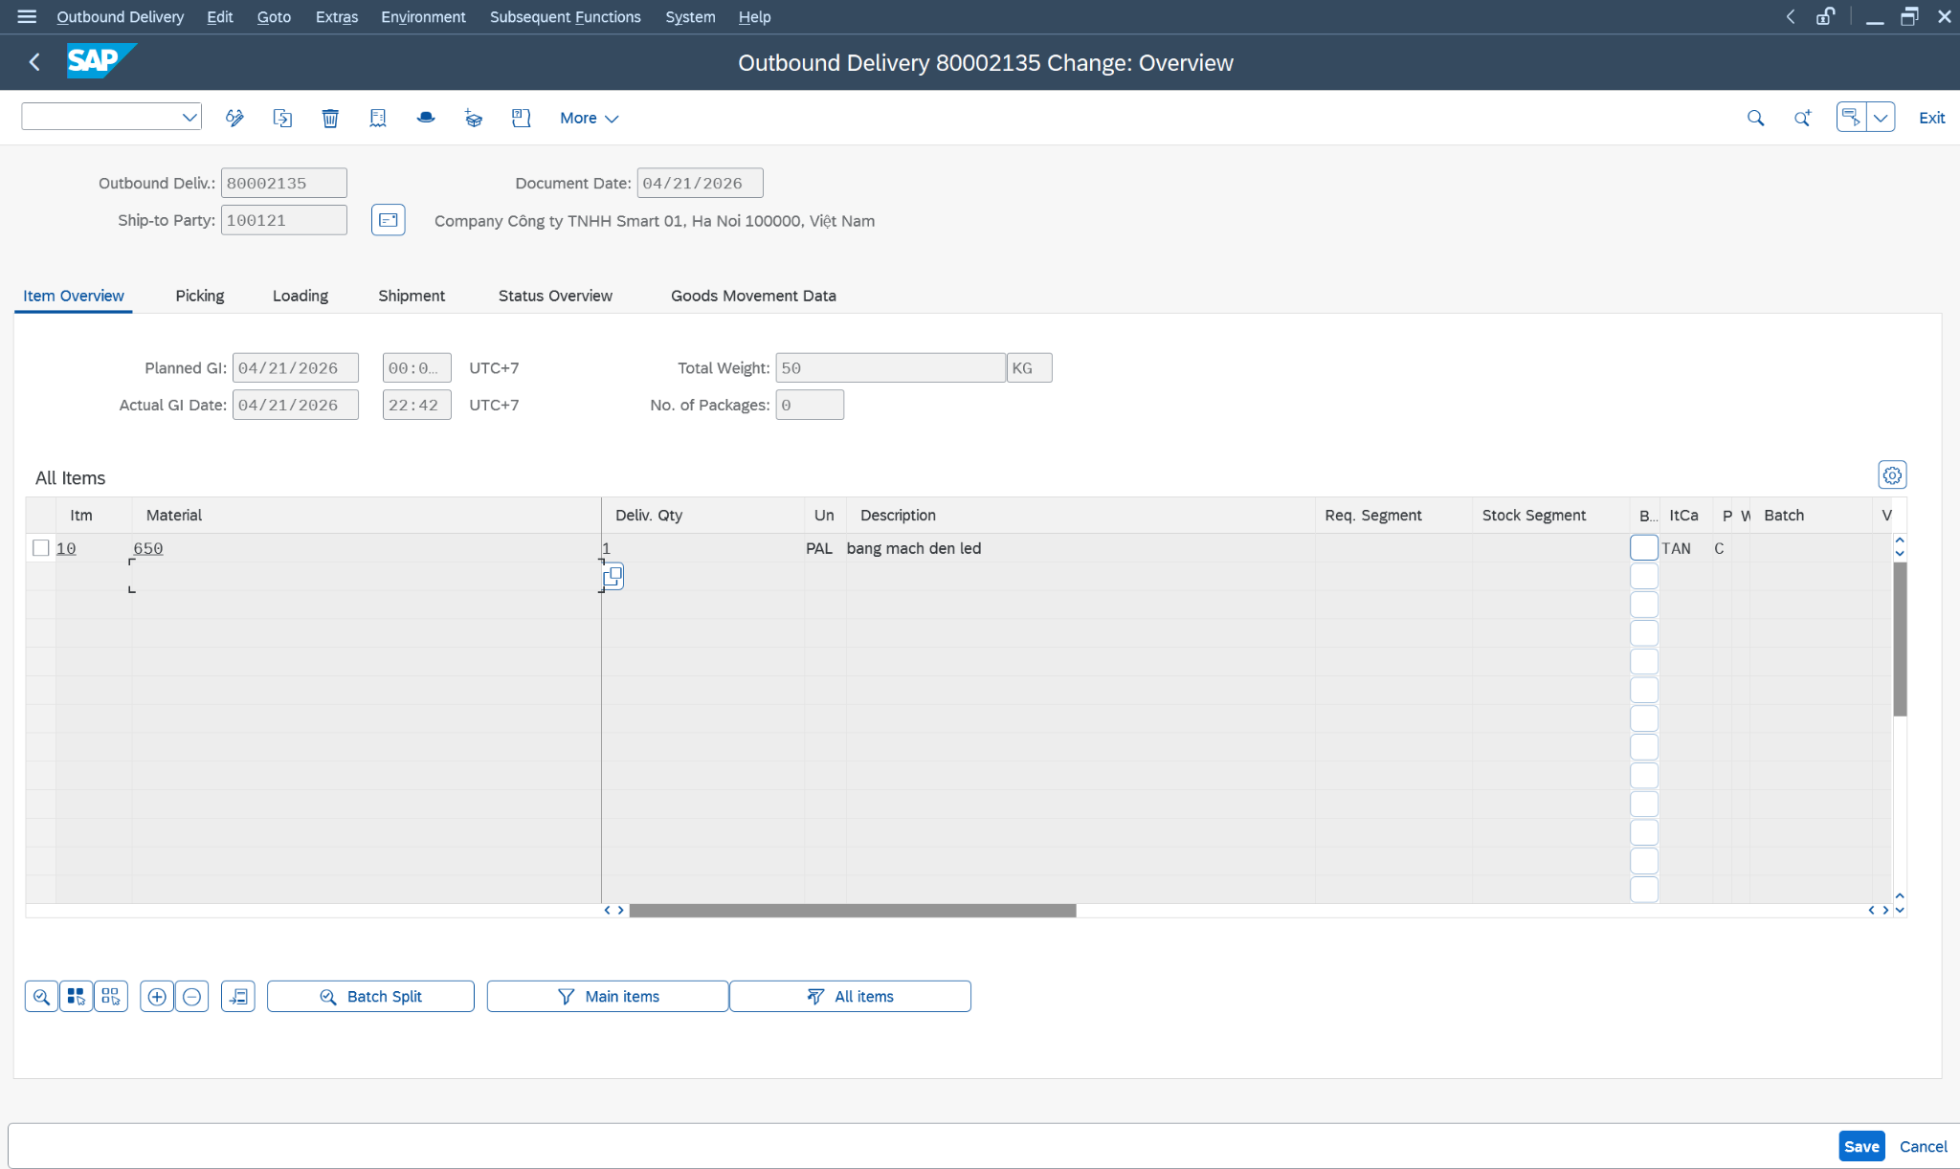 | QuyNT | Pass
 |  | Outbound Delivery | 80002135
MM004 | Picking | Picked Qty | 1 | 1. Go to the "Picking" tab 2. Enter Picked Quantity = Delivery Qty 3. Verify Storage Location: FG01 4. Click Save → Take screenshot of picking status | The system accepts the picked quantity. Picking status changes to (Complete). Message: "Outbound Delivery 80002135 has been saved" | 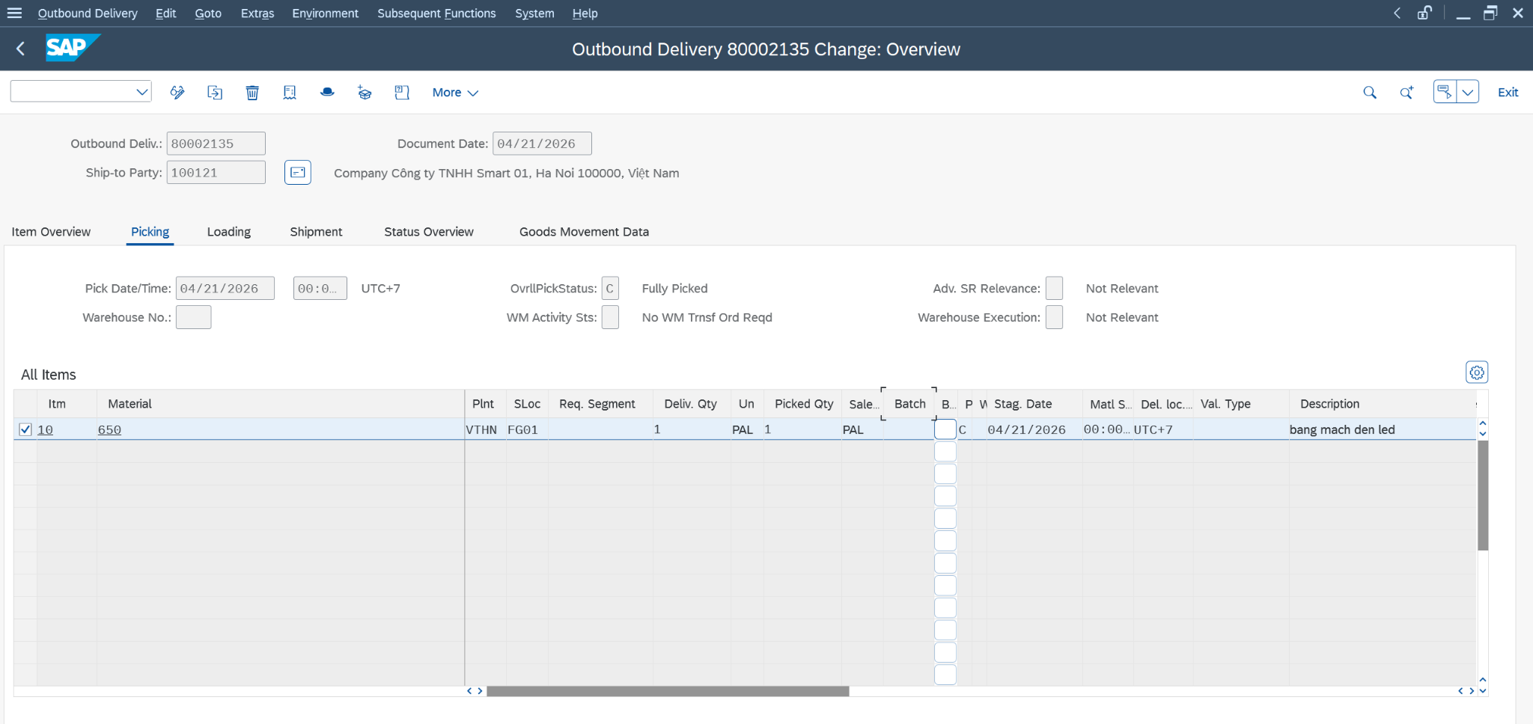 | QuyNT | Pass
 |  | Storage Location | FG01
MM005 | Packing (if applicable) | Handling Unit | Created if packing required | 1. Go to "Packing" tab (if packing is configured) 2. Create Handling Unit if required 3. Pack items 4. Save | The system confirms packing is complete. Packing status updated. (If packing not configured, skip this step) | 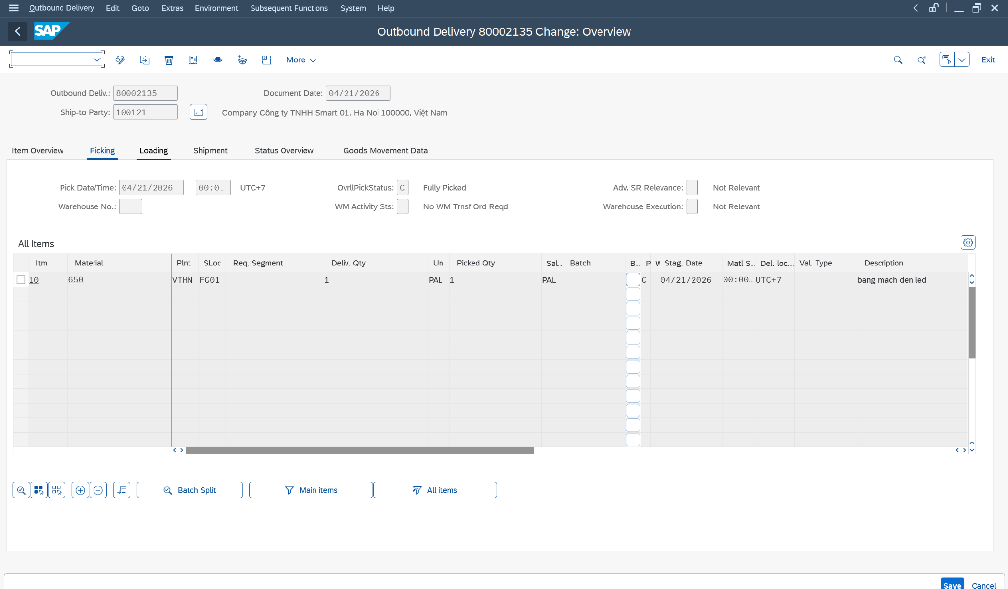 | QuyNT | Faild
 |  | Pack Material | Per shipping standard
MM006 | Post Goods Issue | Movement Type | 601 - Goods Issue: Delivery | 1. Click the "Post Goods Issue" button at the top 2. System processes the PGI → Take screenshot of confirmation message → Take screenshot of Document Flow (Environment > Document Flow) | The system posts Goods Issue and displays message: "Delivery [#] has been saved" - Inventory decreased in VTHN/FG01 - Material document created with Mvt Type 601 - PGI date recorded - Document flow updated: SO → Delivery → PGI | 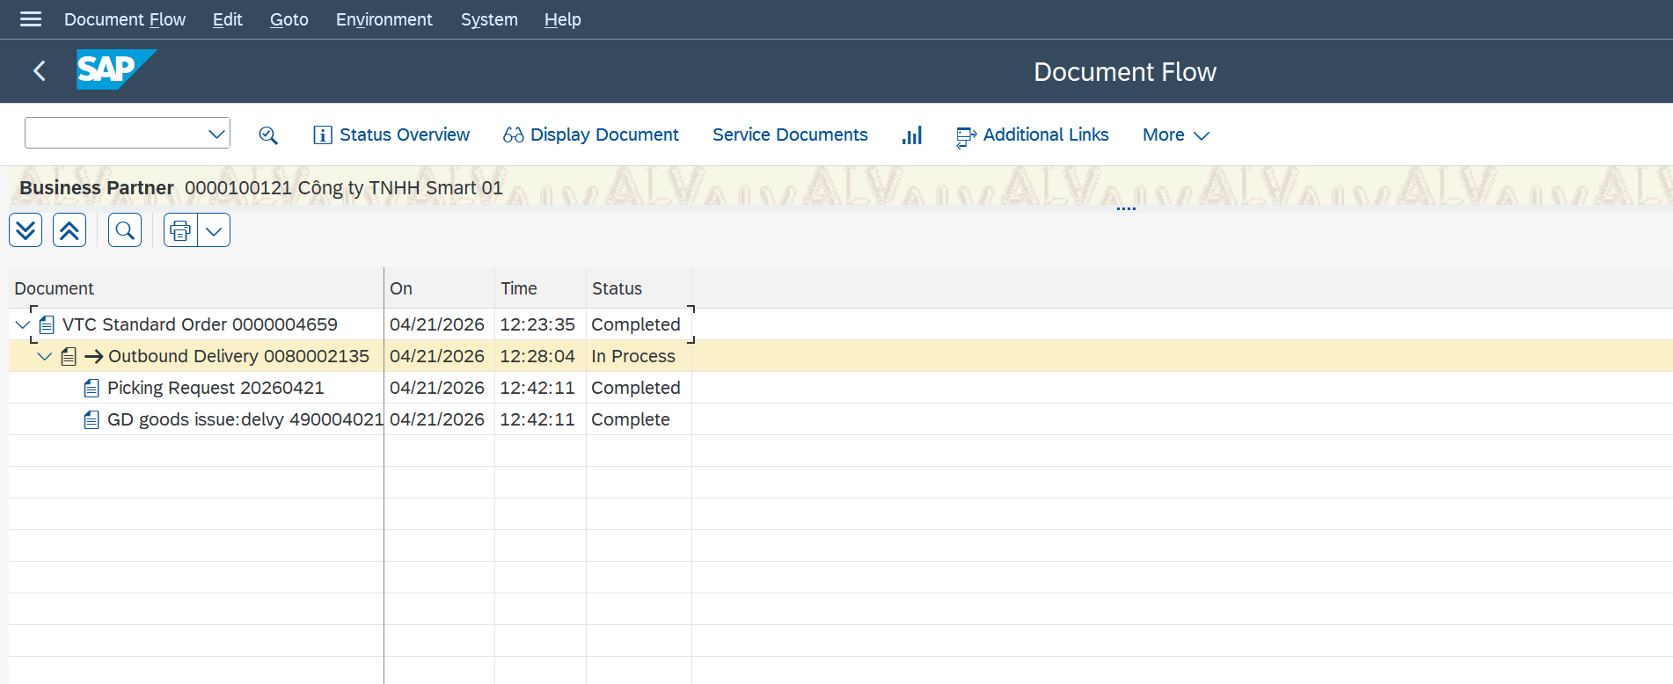 | QuyNT | Pass
 |  | Plant | VTHN
 |  | Storage Location | FG01

Cancel Goods Issue
Code Module | Login | Method | MM
Created By | QuyNT | Executed By | QuyNT
Test requirement
Passed | Failed | Untested | Total Test Cases
3 | 0 | 0 | 3

ID |  | Test Data |  | Step | Expected Result | Actual Result | Tester | Pass/Fail
MM007 | Access Screen | Action | Vl09 | 1. Login into SAP 2. Enter T-code: vl09 3. Inbound / Outbound Delivery : 80002135 4. Tick " 80002135" 5.Reverse | The system does not return any error and displays the original Goods Issue data for cancellation. | 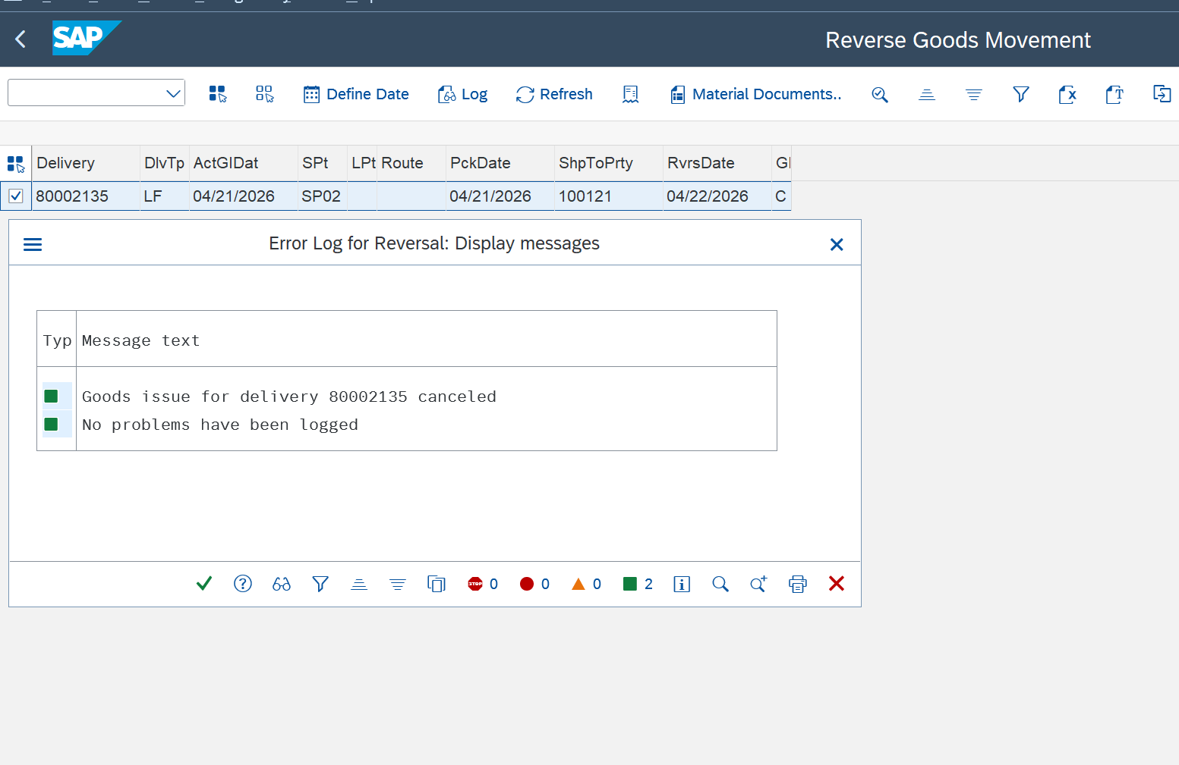 | QuyNT | Pass
 |  | Inbound / Outbound Delivery | 80002135

MM008 | Verify Reversal Data | Material | 650 | In the "Material" tab: 1.Click delivery : 80002135 2. Verify Material: 650 3. Verify Quantity matches original PGI: 100 4. Verify Plant: VTHN, SLoc: FG01 5. Confirm reference to original PGI document → Take screenshot of reversal details | The system displays all data matching the original Goods Issue. Quantity and material match original PGI doc. | 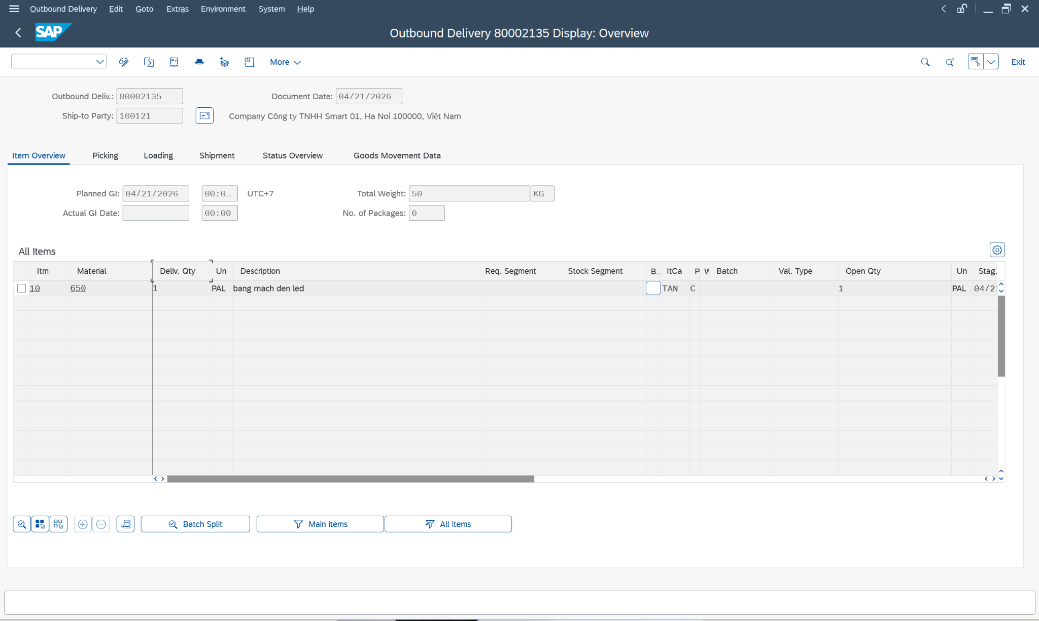 | QuyNT | Pass
 |  | Quantity | 1 PAL
 |  | Plant | VTHN
 |  | Storage Location | FG01
 |  | Inbound / Outbound Delivery | 80002135
MM009 | Post Reversal | Item OK | ☑ Checked | 1. Tick 'Item OK' for each line item 2. Click "Check" button 3. Click "Post" (Ctrl+S) → Take screenshot of confirmation message → Verify in MMBE: stock restored (increased by 1 pal) → Verify in VL02N: PGI status reversed on delivery | The system posts the cancellation and displays message: "Outbound Delivery 80002135 has been saved" - Inventory restored: stock increased by 1 pal - Original PGI document marked as cancelled - Delivery PGI status reversed - Can verify via MMBE. | 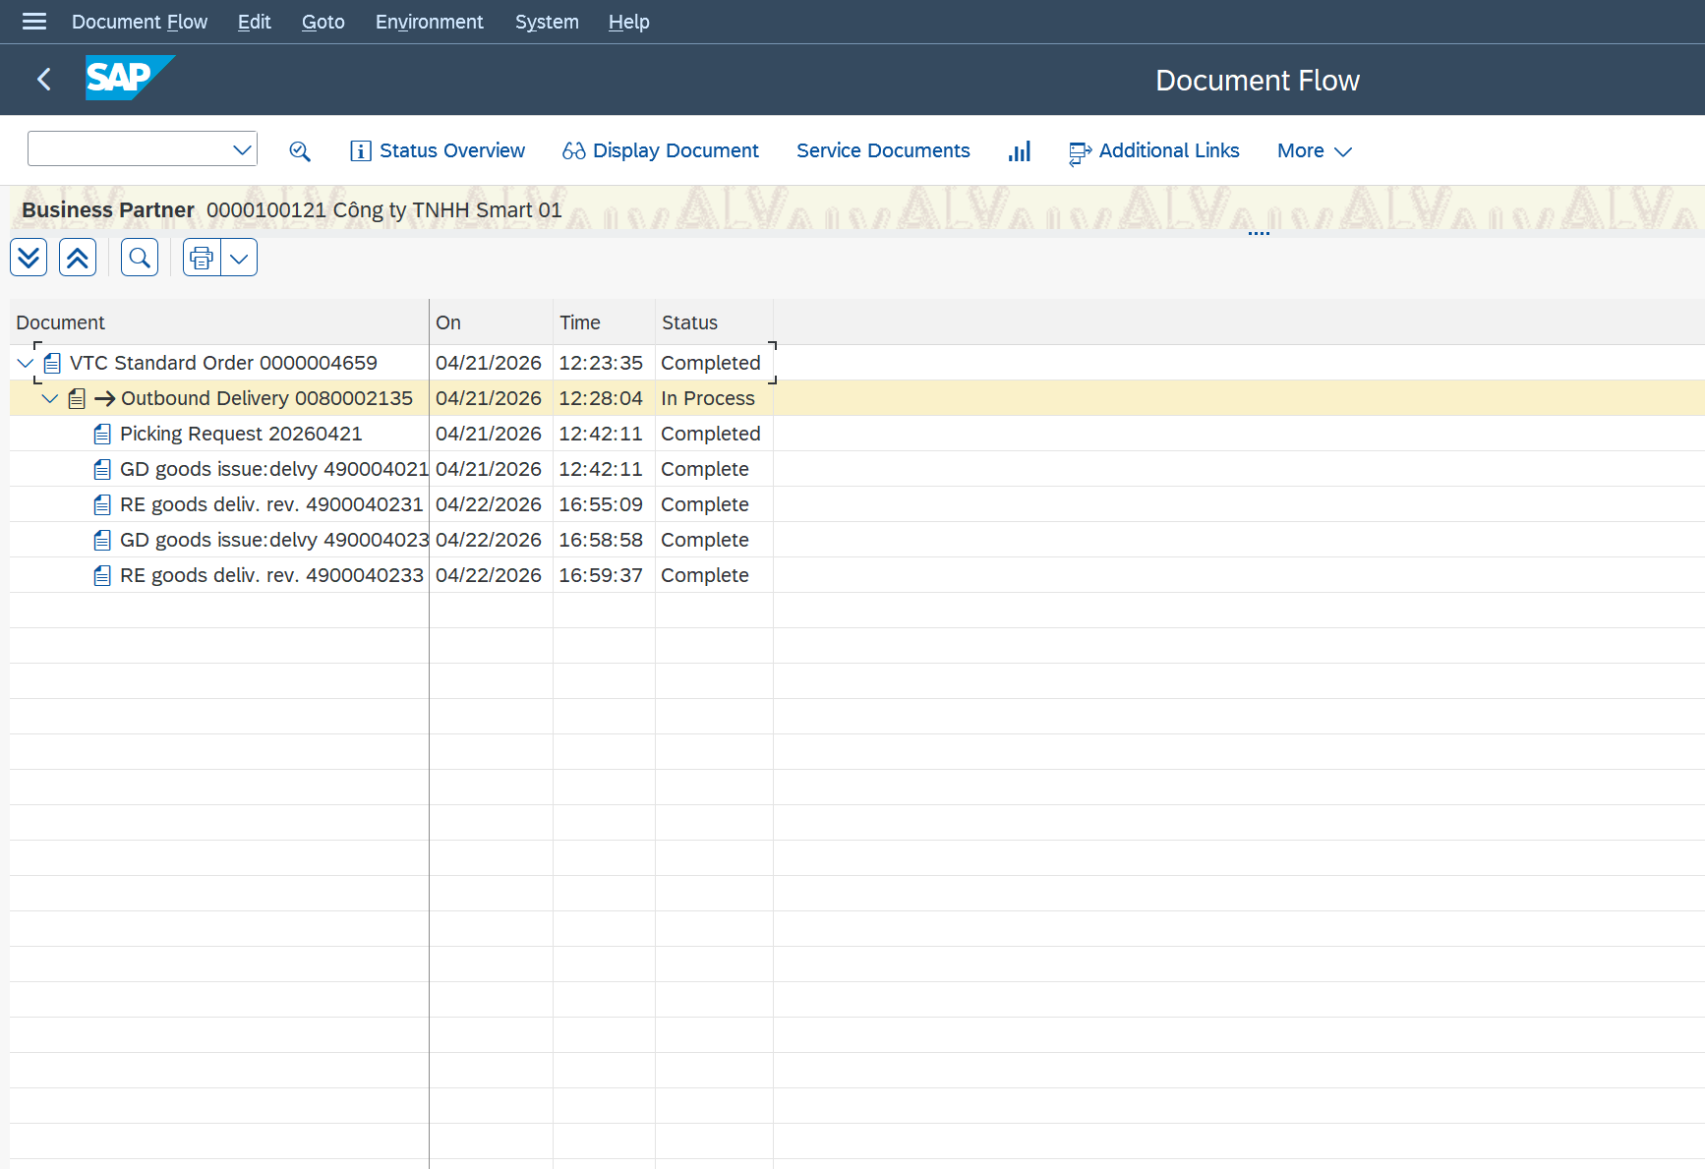 | QuyNT | Pass

